NOTES
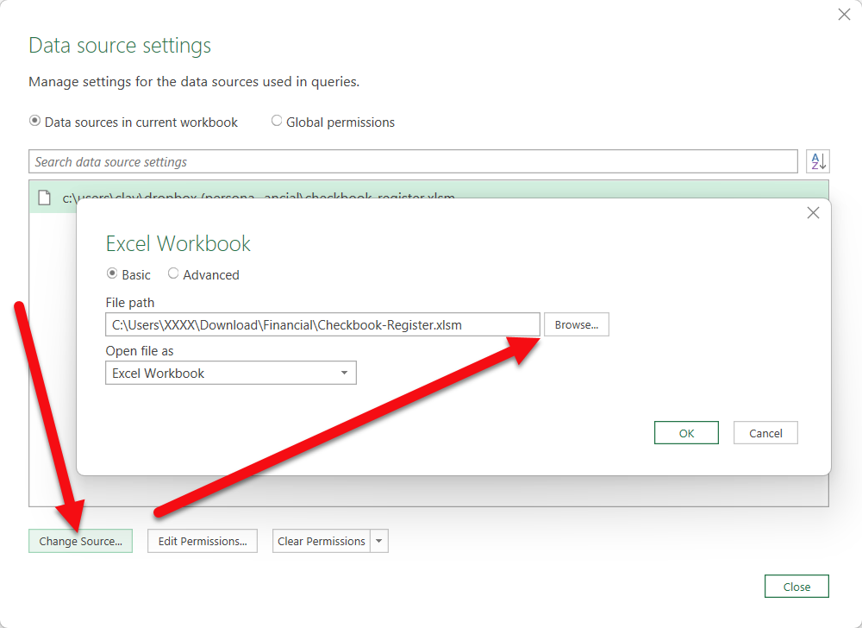
This Excel template was created by Logan at Excel-Checkbook.com. You can find additional Excel templates from the website listed below (or click the logo to the right).

GETTING STARTED
https://excel-checkbook.com/
Delete this 'NOTES' sheet at any time. Visit the 'Invoice's sheet and put in your company name and address. There's also a place at the bottom of the invoice sheet to list your name, phone and email address if desired.
See the additional instructions on the sheet.

Resources

Additional Excel Checkbook Templates can be found here!
My YouTube channel (please consider subscribing and liking)

